Sheet1
XY | Project Name: | https://priyoshop.com/ | Test Designed by: | Naznin Nahar Munna
 | Module Name: | Trading | Test Designed date: | 2022-09-03
 | Release Version: | v0.1 | Test Executed by:
 |  |  | Test Execution date: | 2022-09-13

Pre-condition | User Level access previliges should be available
Dependencies: | Application mock screens are avilable
Test Priority | All
Test Case# | Test Title | PreCondition | Test Steps | Test Data | Expected Result | Actual Result | Status | Screenshort
TC_01 | Verify name section with number alphabet combination |  | 1. User Click to URL of priyoshop.com 2. Click on my account 3. Fillup name section with number alphabet combination 4.Click on register | Name:Grace123 | User should not be able to register | Successfully register | 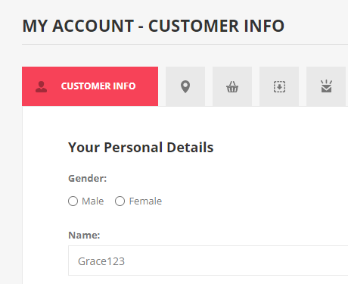 FAIL
TC_02 | Verify name section with less than 30 characters |  | 1. User Click to URL of Priyoshop.com 2. Click on my account. 3. Click on register page 4. Fillup the name section with less than 30 characters 5. Tape on register button | Name:abababababababababababab | User Should create account | Successfully Created | PASS | 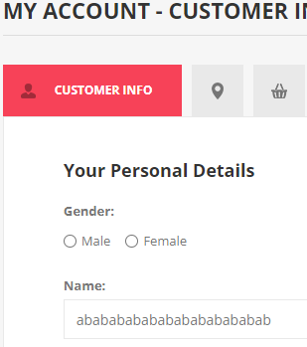
TC_03 | Verify name section with greater than 30 characters |  | 1. User Click to URL of Priyoshop.com 2. Click on my account. 3. Click on register page 4. Fillup the name section with greater than 30 characters 5. Tape on register button | Name:abcabc2abhurctoapkjrecvbtr1234j568mak | User Should not create account | Successfully Created | FAIL | 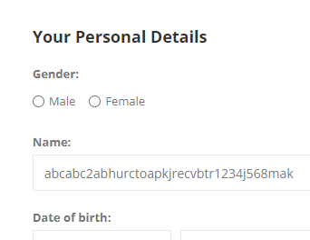
TC_04 | Verify name section with blank data |  | 1. User Click to URL of Priyoshop.com 2. Click on my account. 3. Click on register page 4. Fillup the name section with blank data 5. Tape on register button | Name:No Input | System should display error message "Name is required" | System show error message "Name is required" | PASS | 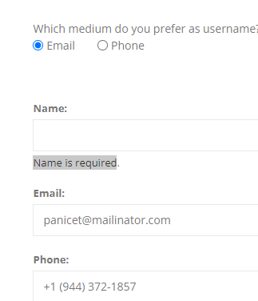
TC_05 | Verify email section with invalid mail address |  | 1. User Click to URL of Priyoshop.com 2. Click on my account. 3. Click on register page 4. Fillup the email section with invalid mail 5. Tape on register button | Email:zyeme@.co | System should display error message "Email is required" | System show error message "Email is required" | PASS | 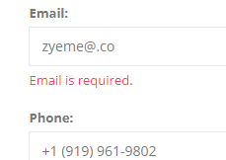
TC_06 | Verify email section with blank data mail address |  | 1. User Click to URL of Priyoshop.com 2. Click on my account. 3. Click on register page 4. Fillup the email section with blank mail 5. Tape on register button | Email:No Input | System should display error message "Email is required | System show error message "Email is required" | PASS | 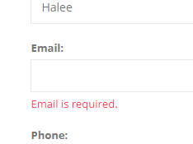
TC_07 | Verify email section with valid mail address |  | 1. User Click to URL of Priyoshop.com 2. Click on my account. 3. Click on register page 4. Fillup the email section with valid mail 5. Tape on register button | Email:cafoxuwo@mailinator.com | User should be able to registerd successfully | Successfully register | PASS
TC_08 | Verify password section with less than 7 characters |  | 1. User Click to URL of Priyoshop.com 2. Click on my account. 3. Click on register page 4. Enter password with less than 7 characters 5. Tape on register button | Password:Aliaa | System Should show error meassege "The password should have at least 7 characters." | System show error meassege "The password should have at least 6 characters." | FAIL | 
TC_09 | Verify password section with greater than 7 characters |  | 1. User Click to URL of Priyoshop.com 2. Click on my account. 3. Click on register page 4. Enter password with greater than 7 characters 5. Tape on register button | Password:Aliaaa144455 | System Should to be registerd | Successfully register | PASS
TC_010 | Verify password section with greater than 13 characters |  | 1. User Click to URL of Priyoshop.com 2. Click on my account. 3. Click on register page 4. Enter password with greater than 13 characters 5. Tape on register button | Password: Aliaaa1444550678 | System Should show error message | Successfully register | FAIL
TC_011 | Verify password section with Upper & lower Case combination |  | 1. User Click to URL of Priyoshop.com 2. Click on my account. 3. Click on register page 4. Enter password with upper & lower case combination 5. Tape on register button | Password: Aliaaabb | System Should be successfully registerd | " | PASS
TC_012 | Verify phone section with Foreign mobile number |  | 1. User Click to URL of Priyoshop.com 2. Click on my account. 3. Click on register page 4. Enter Phone number with foreign mobile number 5. Tape on register button | Phone:1 (942) 189-8992 | System Should show error message "Phone is required." | Show error message "Phone is required." | PASS
TC_013 | Verify phone section with Bangladesh mobile number |  | 1. User Click to URL of Priyoshop.com 2. Click on my account. 3. Click on register page 4. Enter Phone number with Bangladesh mobile number 5. Tape on register button | Phone:01838598672 | System Should be successfully registerd | Successfully Register | PASS
TC_014 | Verify Address section with Bangladeshi address |  | 1. User Click to URL of Priyoshop.com 2. Click on my account. 3. Click on register page 4. Enter Bangladeshi address on address section 5. Tape on register button | Street address:tongi Country: Bangladesh District: Dhaka Police Station: Banani | System Should be successfully registerd | Successfully Register | PASS

